Indices

 | Iraq Stock Exchange
 | Bulletin No (230)

 | ISX Trading Indices of Tuesday 23/12/2025

 | Traded Volume and OTC |  | 3,840,209,318 |  | Traded Value and OTC |  | 6,016,110,308 |  | Traders | 1051

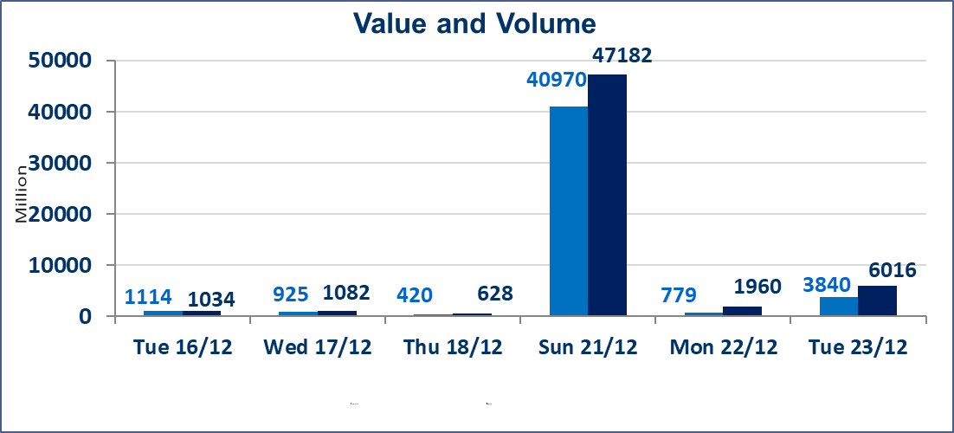
 | ISX Index 60 |  |  | 976.80 | ISX Index 15 |  |  | 1186.73
 | Previous ISX Index60 |  |  | 986.22 | Previous ISX Index15 |  |  | 1194.66
 | Change % |  |  | -0.96 | Change % |  |  | -0.66
 | Change |  |  | -9.42 | Change |  |  | -7.93

 | Listed Companies | 104 | OTC | 15 | Non Traded listed | 32 | OTC | 11
 | Traded Listed Companies | 55 | OTC | 2 | Higher Companies |  |  | 21
 | GAM Companies |  |  | 7 | Lower Companies |  |  | 14
 | Suspended Companies |  |  | 10
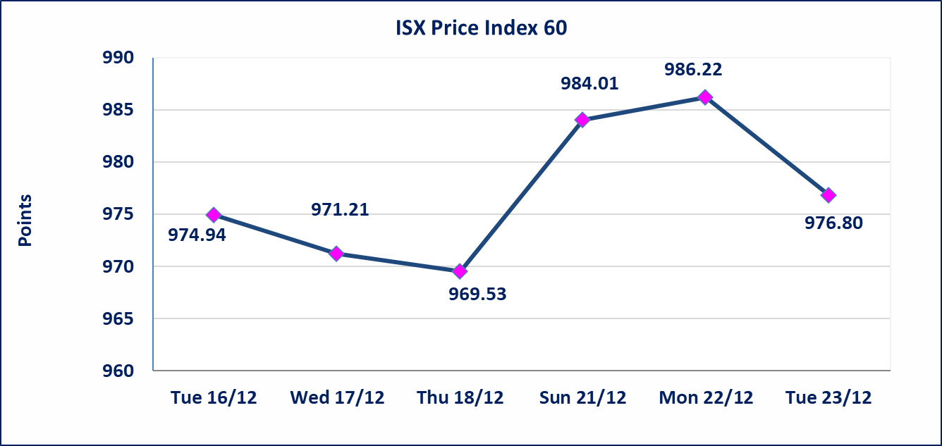
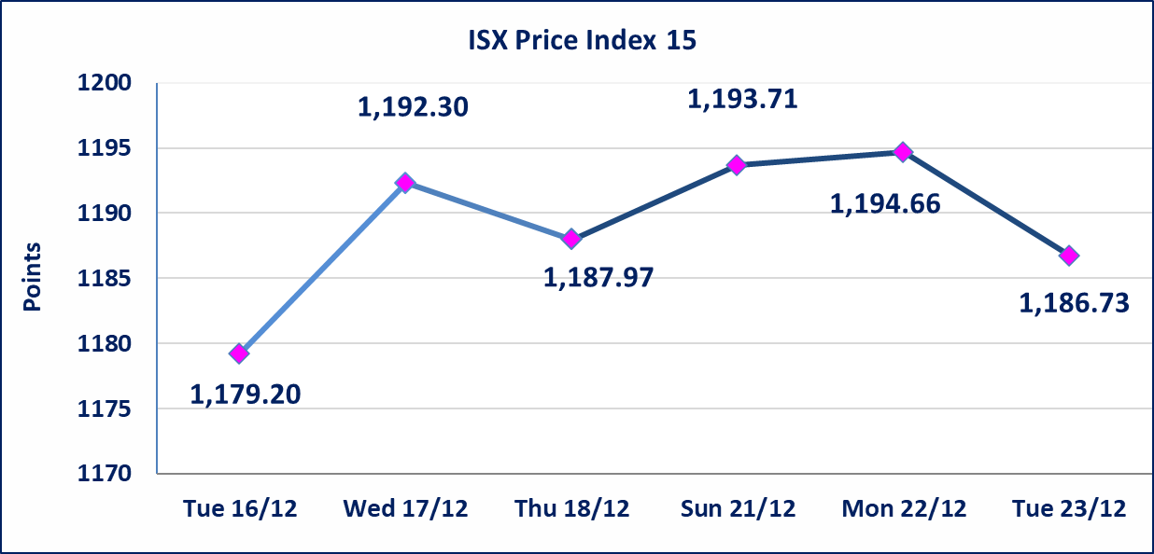

 | special orders | Al-Kasab Brokerage Company executed a deliberate cross order on the shares of Asia Bank Iraq Company with a number of shares (2,082,000,000) shares with a value of (1,623,960,000) dinars, during the additional session time (after 1 pm) in accordance with the procedures for executing large transactions.
 | special orders | Al-Karmel Brokerage Company executed a deliberate cross order on shares of the National Bank of Iraq Company with a number of shares (600,000,000) shares with a value of (2,760,000,000) dinars, during the additional session time (after 1 pm) in accordance with the procedures for executing large transactions.
Al-Alwiya P.O . 3607 Mobile: 07711211522 - 07270094594 - 07834000034 E-mail: info-isx@isx-iq.net Web site:www.isx-iq.net

Top 5
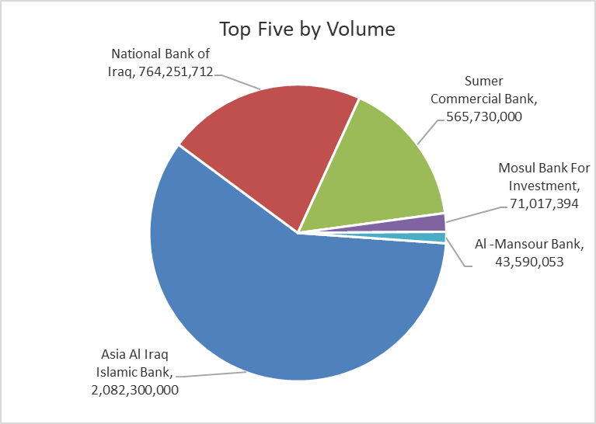
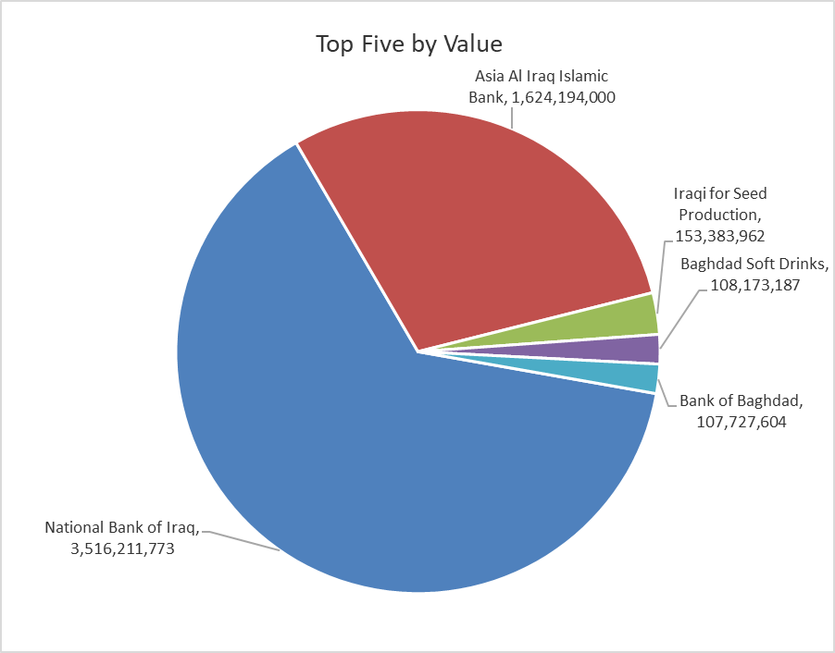
ISX top ganing and losing companies
Tuesday 23/12/2025
 | Gainers |  |  |  | Losers
 | Company Name | Closing Price | Change (%) | Traded Volume | Company Name | Closing Price | Change (%) | Traded Volume
 | Al-Ahlyia agricultural production | 2.810 | 14.69 | 10,000 | AL-Anssari Islamic Bank | 0.120 | -7.69 | 2,000,000
 | Kharkh Tour Amuzement City | 4.600 | 12.20 | 619,720 | Al-Khatam Telecom | 3.290 | -6.00 | 1,792,821
 | Sumer Commercial Bank | 0.130 | 8.33 | 565,730,000 | Palestine Hotel | 25.180 | -4.98 | 124,348
 | Metallic Industries and Bicycles | 2.100 | 7.69 | 1,252,775 | Iraqi Carton Manufactories | 2.990 | -3.55 | 178,892
 | Al-Ameen for Insurance | 0.970 | 6.59 | 1,050,000 | Ishtar Hotels | 9.200 | -2.65 | 976,714
 | The most active companies in term of traded volume and value

 | Traded Volume |  |  |  | Traded Value
 | Company Name | Closing Price | Change (%) | Traded Volume | Company Name | Closing Price | Change (%) | Traded Value
 | Asia Al Iraq Islamic Bank | 0.780 | 0.00 | 2,082,300,000 | National Bank of Iraq | 4.610 | -0.86 | 3,516,211,773
 | National Bank of Iraq | 4.610 | -0.86 | 764,251,712 | Asia Al Iraq Islamic Bank | 0.780 | 0.00 | 1,624,194,000
 | Sumer Commercial Bank | 0.130 | 8.33 | 565,730,000 | Iraqi for Seed Production | 5.090 | 3.04 | 153,383,962
 | Mosul Bank For Investment | 0.160 | 0.00 | 71,017,394 | Baghdad Soft Drinks | 5.750 | -2.54 | 108,173,187
 | Al -Mansour Bank | 1.950 | -0.51 | 43,590,053 | Bank of Baghdad | 3.400 | -1.45 | 107,727,604

OTC

Iraq Stock Exchange

Tuesday 23/12/2025
OTC Platform Trading Bulletin No (230)
Company Name | Code | highest price | lowest price | Average price | No.of Trades | Traded Volume | Traded Value
Banks Sector
Al-Warka Bank | BWAI | 0.080 | 0.080 | 0.080 | 8 | 61,749,000 | 4,939,920
Total Of Banks Sector |  |  |  |  | 8 | 61,749,000 | 4,939,920
Industrial Sector
Kirkuk producing constructional materials | IKFP | 3.250 | 3.250 | 3.250 | 8 | 22,055,306 | 71,679,745
Total Of Industrial Sector |  |  |  |  | 8 | 22,055,306 | 71,679,745
Total |  |  |  |  | 16 | 83,804,306 | 76,619,665

Not Trading OTC Companies
Company Name |  |  | Code |  | Previous Average price
Banks Sector
Al-Sanam Islamic Bank |  |  | BSAN |  | 3.000
Hammurabi Commercial Bank |  |  | BHAM |  | ـــــــــــــــــــــــــــــــــــ
Money Service Sector
Rabee Securities |  |  | FRSE |  | 9.500
Karmal Brokerage |  |  | FKSX |  | 10.000
Ishtar Gate for e-Paymant |  |  | FISH |  | 1.000
Sama Baghdad Exchange |  |  | FSBE |  | ـــــــــــــــــــــــــــــــــــ
Iraqi Deposit Insurance Corporation |  |  | FIDI |  | ـــــــــــــــــــــــــــــــــــ
Insurance Sector
Kurdistan Insurance |  |  | NKUI |  | ـــــــــــــــــــــــــــــــــــ
Al Badia Insurance |  |  | NBAD |  | ـــــــــــــــــــــــــــــــــــ
Shatt Al Arab Insurance |  |  | NSHA |  | 1.000
Dilina Insurance Company |  |  | NDIL |  | ـــــــــــــــــــــــــــــــــــ

Non Iraqis

Iraq Stock Exchange
Non Iraqis' Bulletin Tuesdey Dec 23 2025
Regular Market

Non Iraqi Trading of Regular Market (Buy)
Company Names | Code | No.of trades | Traded Shares | Trading Volume
Banks Sector
Commercial Bank of Iraq | BCOI | 1 | 897,859 | 619,523
Bank Of Baghdad | BBOB | 2 | 269,986 | 931,452
Asia Al Iraq Islamic Bank | BAIB | 1 | 2,082,000,000 | 1,623,960,000
National Bank Of Iraq | BNOI | 3 | 1,196,173 | 5,520,353
Al-Mansour Bank | BMNS | 1 | 474,125 | 929,285
Total Bank sector |  | 8 | 2,084,838,143 | 1,631,960,612
Telecommunication Sector
Asia cell | TASC | 1 | 140,800 | 1,858,560
Total Telecommunication sector |  | 1 | 140,800 | 1,858,560
Grand Total |  | 1 | 140,800 | 1,858,560

Non Iraqi Trading of Regular Market (Sell)
Company Names | Code | No.of trades | Traded Shares | Trading Volume
Telecommunication Sector
Al-Khatem Telecoms | TZNI | 2 | 4,785 | 15,907
Total Telecommunication sector |  | 2 | 4,785 | 15,907
Grand Total |  | 2 | 4,785 | 15,907

